Home


Sheet2
Investment Allocation

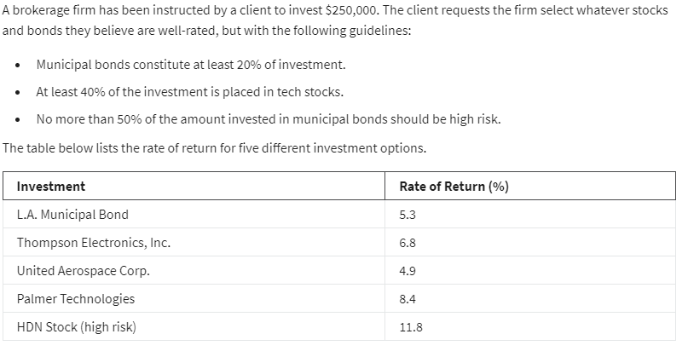
 | X1 | X2 | X3 | X4 | X5
variables | 50,000 € | - € | - € | 175,000 € | 25,000 €
rate of return | 5.30% | 6.80% | 4.90% | 8.40% | 11.80%

PROFIT
 | 20,300.00 € |  |  |  |  |  |  |  | X1
 |  |  |  |  |  |  |  |  | X2
 |  |  |  |  |  |  |  |  | X3
 |  |  |  |  |  |  |  |  | X4
 |  |  |  |  |  |  |  |  | X5
Column1 | X1 | X2 | X3 | X4 | X5 | Column2 | SIGNE | Column3
budget | 1 | 1 | 1 | 1 | 1 | 250000 | <= | 250,000 €
At least 20% in Muni | 1 |  |  |  |  | 50000 | >= | 50,000 €
At least 40% in tech stock |  | 1 | 1 | 1 |  | 175000 | >= | 20,000 €
No more than 50% In hight risk |  |  |  |  | 1 | 25000 | <= | 25,000 €

Sheet3
Assignment


 | Kansas City | Chicago | Detroit | Toronto
Seattle | 1500 | 1730 | 1940 | 2070
Arlington | 460 | 810 | 1020 | 1270
Oakland | 1500 | 1850 | 2080 | X
Baltimore | 960 | 610 | 400 | 330

Objective ( Min)
Total distance traveled | 4580

 | Kansas City | Chicago | Detroit | Toronto | sum | sign
Seattle | 0 | 0 | 1 | 0 | 1 | = | 1
Arlington | 1 | 0 | 0 | 0 | 1 | = | 1
Oakland | 0 | 1 | 0 | X | 1 | = | 1
Baltimore | 0 | 0 | 0 | 1 | 1 | = | 1
Total | 1 | 1 | 1 | 1
 | = | = | = | =
 | 1 | 1 | 1 | 1

